data
x_axis | y_axis
1884 | 64.135135135
1885 | 83.351351351
1886 | 87.72972973
1887 | 87.72972973
1888 | 87.72972973
1889 | 87.72972973
1890 | 87.72972973
1891 | 87.72972973
1892 | 87.72972973
1893 | 87.72972973
1894 | 87.72972973
1895 | 87.72972973
1896 | 87.72972973
1897 | 87.72972973
1898 | 87.72972973
1899 | 87.72972973
1900 | 87.72972973
1901 | 87.72972973
1902 | 87.72972973
1903 | 87.72972973
1904 | 87.72972973
1905 | 87.72972973
1906 | 87.72972973
1907 | 87.72972973
1908 | 87.72972973
1909 | 87.72972973
1910 | 87.72972973
1911 | 87.72972973
1912 | 87.72972973
1913 | 87.72972973
1914 | 87.72972973
1915 | 87.72972973
1916 | 87.72972973
1917 | 87.72972973
1918 | 87.72972973
1919 | 87.72972973
1920 | 87.72972973
1921 | 87.72972973
1922 | 87.72972973
1923 | 87.72972973
1924 | 87.72972973
1925 | 99.405405405
1926 | 100.13513514
1927 | 100.13513514
1928 | 100.13513514
1929 | 100.13513514
1930 | 100.13513514
1931 | 100.13513514
1932 | 100.13513514
1933 | 100.13513514
1934 | 100.13513514
1935 | 100.13513514
1936 | 100.13513514
1937 | 100.13513514
1938 | 100.13513514
1939 | 100.13513514
1940 | 100.13513514
1941 | 100.13513514
1942 | 100.13513514
1943 | 100.13513514
1944 | 100.13513514
1945 | 100.13513514
1946 | 100.13513514
1947 | 100.13513514
1948 | 100.13513514
1949 | 100.13513514
1950 | 100.13513514
1951 | 100.13513514
1952 | 100.13513514
1953 | 100.13513514
1954 | 100.13513514
1955 | 100.13513514
1956 | 100.13513514
1957 | 100.13513514
1958 | 100.13513514
1959 | 100.13513514
1960 | 100.13513514
1961 | 100.13513514
1962 | 100.13513514
1963 | 100.13513514
1964 | 101.59459459
1965 | 107.91891892
1966 | 108.16216216
1967 | 108.16216216
1968 | 108.16216216
1969 | 108.16216216
1970 | 108.16216216
1971 | 108.16216216
1972 | 108.16216216
1973 | 108.16216216
1974 | 108.16216216
1975 | 108.16216216
1976 | 108.16216216
1977 | 108.16216216
1978 | 108.16216216
1979 | 108.16216216
1980 | 108.16216216
1981 | 108.16216216
1982 | 108.16216216
1983 | 108.16216216
1984 | 108.16216216
1985 | 108.16216216
1986 | 108.16216216
1987 | 108.16216216
1988 | 108.16216216
1989 | 108.16216216
1990 | 108.40540541
1991 | 109.62162162
1992 | 109.62162162
1993 | 109.62162162
1994 | 109.62162162
1995 | 109.62162162
1996 | 109.62162162
1997 | 109.62162162
1998 | 109.62162162
1999 | 109.62162162
2000 | 109.62162162
2001 | 109.62162162
2002 | 109.62162162
2003 | 109.62162162
2004 | 112.54054054
2005 | 114.97297297
2006 | 131.51351351
2007 | 146.59459459
2008 | 146.10810811
2009 | 146.10810811
2010 | 146.10810811
2011 | 146.10810811
2012 | 146.10810811
2013 | 146.10810811
2014 | 146.10810811
2015 | 146.10810811
2016 | 146.10810811
2017 | 146.10810811
2018 | 146.10810811
2019 | 146.10810811

picture
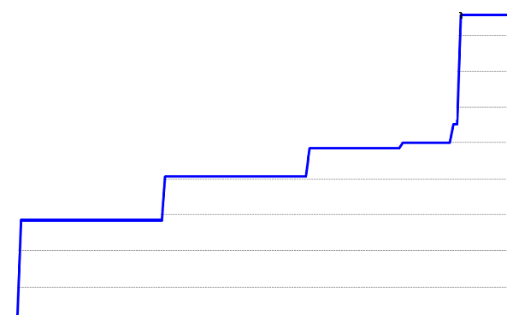

picture_original
